Sheet1
 | new beta1 | new beta2 | new beta3 | new beta4 | new beta5 | new beta6
intercept | -2 | -2 | -2 | -1 | 0 | 1
beta | 4 | 3 | 2 | 2 | 2 | 2 |  |  |  | 238328

Changes in beta (same intercept)
Changes in intercept (same beta)
LI value | prob1 | prob2 | prob3 | prob4 | prob5 | prob6
-2 | 4.5397868702E-05 | 0.00033535013047 | 0.0024726231566 | 0.0066928509243 | 0.017986209962 | 0.047425873178
-1.9 | 6.772414962E-05 | 0.00045262222324 | 0.0030184163247 | 0.0081625711532 | 0.021881270936 | 0.057324175899
-1.8 | 0.00010102919391 | 0.00061087935943 | 0.0036842398994 | 0.0099518018669 | 0.026596993577 | 0.069138420343
-1.7 | 0.00015071035806 | 0.0008244246864 | 0.0044962731609 | 0.012128434984 | 0.032295464698 | 0.083172696494
-1.6 | 0.00022481677023 | 0.0011125360329 | 0.0054862988995 | 0.014774031693 | 0.039165722797 | 0.09975048912
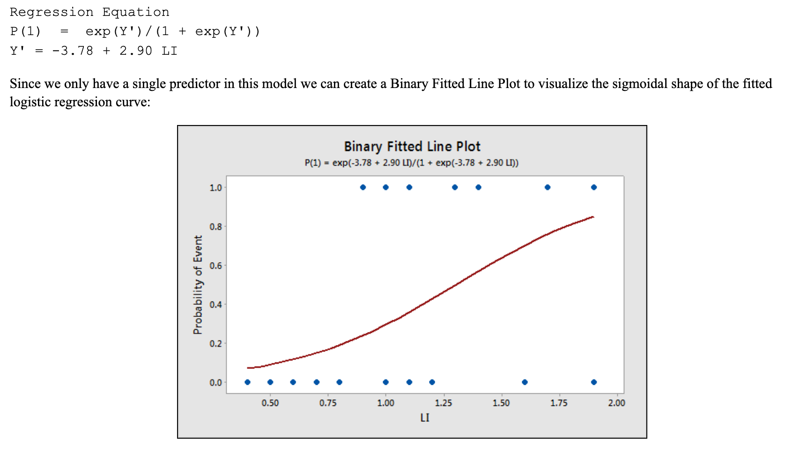
-1.5 | 0.00033535013047 | 0.0015011822567 | 0.0066928509243 | 0.017986209962 | 0.047425873178 | 0.11920292202
-1.4 | 0.00050020110708 | 0.002025320389 | 0.0081625711532 | 0.021881270936 | 0.057324175899 | 0.1418510649
-1.3 | 0.00074602883384 | 0.002731960763 | 0.0099518018669 | 0.026596993577 | 0.069138420343 | 0.16798161487
-1.2 | 0.0011125360329 | 0.0036842398994 | 0.012128434984 | 0.032295464698 | 0.083172696494 | 0.19781611144
-1.1 | 0.0016588010802 | 0.0049668016501 | 0.014774031693 | 0.039165722797 | 0.09975048912 | 0.2314752165
-1 | 0.0024726231566 | 0.0066928509243 | 0.017986209962 | 0.047425873178 | 0.11920292202 | 0.26894142137
-0.9 | 0.0036842398994 | 0.0090132986528 | 0.021881270936 | 0.057324175899 | 0.1418510649 | 0.31002551887
-0.8 | 0.0054862988995 | 0.012128434984 | 0.026596993577 | 0.069138420343 | 0.16798161487 | 0.35434369377
-0.7 | 0.0081625711532 | 0.016302499371 | 0.032295464698 | 0.083172696494 | 0.19781611144 | 0.40131233989
-0.6 | 0.012128434984 | 0.021881270936 | 0.039165722797 | 0.09975048912 | 0.2314752165 | 0.45016600269
-0.5 | 0.017986209962 | 0.029312230751 | 0.047425873178 | 0.11920292202 | 0.26894142137 | 0.5
-0.4 | 0.026596993577 | 0.039165722797 | 0.057324175899 | 0.1418510649 | 0.31002551887 | 0.54983399731
-0.3 | 0.039165722797 | 0.052153563078 | 0.069138420343 | 0.16798161487 | 0.35434369377 | 0.59868766011
-0.2 | 0.057324175899 | 0.069138420343 | 0.083172696494 | 0.19781611144 | 0.40131233989 | 0.64565630623
-0.1 | 0.083172696494 | 0.091122961015 | 0.09975048912 | 0.2314752165 | 0.45016600269 | 0.68997448113
0 | 0.11920292202 | 0.11920292202 | 0.11920292202 | 0.26894142137 | 0.5 | 0.73105857863
0.1 | 0.16798161487 | 0.15446526508 | 0.1418510649 | 0.31002551887 | 0.54983399731 | 0.7685247835
0.2 | 0.2314752165 | 0.19781611144 | 0.16798161487 | 0.35434369377 | 0.59868766011 | 0.80218388856
0.3 | 0.31002551887 | 0.2497398944 | 0.19781611144 | 0.40131233989 | 0.64565630623 | 0.83201838513
to get 50% point: -B0/B1
0.4 | 0.40131233989 | 0.31002551887 | 0.2314752165 | 0.45016600269 | 0.68997448113 | 0.8581489351
0.5 | 0.5 | 0.3775406688 | 0.26894142137 | 0.5 | 0.73105857863 | 0.88079707798
0.6 | 0.59868766011 | 0.45016600269 | 0.31002551887 | 0.54983399731 | 0.7685247835 | 0.90024951088
0.7 | 0.68997448113 | 0.52497918748 | 0.35434369377 | 0.59868766011 | 0.80218388856 | 0.91682730351
0.8 | 0.7685247835 | 0.59868766011 | 0.40131233989 | 0.64565630623 | 0.83201838513 | 0.93086157966 | prob1 | prob2 | prob3 | prob4 | prob5 | prob6
0.9 | 0.83201838513 | 0.66818777217 | 0.45016600269 | 0.68997448113 | 0.8581489351 | 0.9426758241 | 0.5 | 0.66666666667 | 1 | 0.5 | 0 | -0.5
1 | 0.88079707798 | 0.73105857863 | 0.5 | 0.73105857863 | 0.88079707798 | 0.95257412682
1.1 | 0.91682730351 | 0.78583498304 | 0.54983399731 | 0.7685247835 | 0.90024951088 | 0.9608342772
1.2 | 0.9426758241 | 0.83201838513 | 0.59868766011 | 0.80218388856 | 0.91682730351 | 0.9677045353
1.3 | 0.9608342772 | 0.86989152564 | 0.64565630623 | 0.83201838513 | 0.93086157966 | 0.97340300642
1.4 | 0.97340300642 | 0.90024951088 | 0.68997448113 | 0.8581489351 | 0.9426758241 | 0.97811872906
1.5 | 0.98201379004 | 0.92414181998 | 0.73105857863 | 0.88079707798 | 0.95257412682 | 0.98201379004
1.6 | 0.98787156502 | 0.9426758241 | 0.7685247835 | 0.90024951088 | 0.9608342772 | 0.98522596831
1.7 | 0.99183742885 | 0.95689274506 | 0.80218388856 | 0.91682730351 | 0.9677045353 | 0.98787156502
1.8 | 0.9945137011 | 0.9677045353 | 0.83201838513 | 0.93086157966 | 0.97340300642 | 0.99004819813
1.9 | 0.9963157601 | 0.97587297858 | 0.8581489351 | 0.9426758241 | 0.97811872906 | 0.99183742885
2 | 0.99752737684 | 0.98201379004 | 0.88079707798 | 0.95257412682 | 0.98201379004 | 0.99330714908

